ITEMS
 | IMAGE | DESCRIPTION | PRODUCT REFERENCE | FAMILY | COLOUR | SUBFAMILY | RSP | WHS | EAN CODE | ONE SIZE | 85 | 95 | 105
3 | 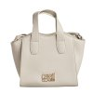 | Annalaura CCHB01622 Satchel for Women | CCHB01622-300 | Women | Cream | bags | 225,00 | 102.27272727 | 4894626283529 | 13 |  |  |  | 13
4 | 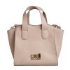 | Annalaura CCHB01622 Satchel for Women | CCHB01622-400 | Women | Beige | bags | 225,00 | 102.27272727 | 4894626283536 | 13 |  |  |  | 13
5 | 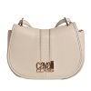 | Beatrice CCHB01772 Women's Crossbody Bag | CCHB01772-300 | Women | Beige | bags | 225,00 | 102.27272727 | 4894626283314 | 27 |  |  |  | 27
6 | 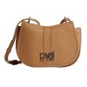 | Beatrice CCHB01772 Women's Crossbody Bag | CCHB01772-400 | Women | Brown | bags | 225,00 | 102.27272727 | 4894626283321 | 27 |  |  |  | 27
7 | 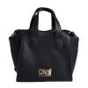 | Annalaura CCHB01622 Satchel for Women | CCHB01622-100 | Women | Black | bags | 225,00 | 102.27272727 | 4894626283505 | 29 |  |  |  | 29
8 | 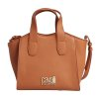 | Annalaura CCHB01622 Satchel for Women | CCHB01622-200 | Women | Candy | bags | 225,00 | 102.27272727 | 4894626283512 | 15 |  |  |  | 15
9 | 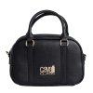 | Mariangela CCHB01572 Satchel Bag for Women | CCHB01572-100 | Women | Black | bags | 220,00 | 100 | 4894626283611 | 29 |  |  |  | 29
10 | 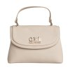 | Cutie CCHB01732 Top Handle Bag for Women | CCHB01732-300 | Women | Beige | bags | 225,00 | 102.27272727 | 4894626283574 | 13 |  |  |  | 13
11 | 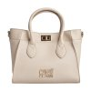 | Daria CCHB01552 Satchel Bag for Women | CCHB01552-300 | Women | Beige | bags | 245,00 | 111.36363636 | 4894626283666 | 11 |  |  |  | 11
12 | 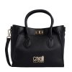 | Daria CCHB01552 Satchel Bag for Women | CCHB01552-100 | Women | Black | bags | 245,00 | 111.36363636 | 4894626283642 | 29 |  |  |  | 29
13 | 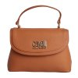 | Cutie CCHB01732 Top Handle Bag for Women | CCHB01732-200 | Women | Brown | bags | 225,00 | 102.27272727 | 4894626283567 | 13 |  |  |  | 13
14 | 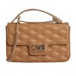 | Amanda CCHB01762 Women's Crossbody Bag | CCHB01762-400 | Women | Brown | bags | 215,00 | 97.727272727 | 4894626283024 | 27 |  |  |  | 27
15 | 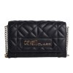 | Carlotta CCHB0101 Women's Crossbody Bag | CCHB0101-2100 | Women | Black | bags | 205,00 | 93.181818182 | 4894626255113 | 25 |  |  |  | 25
16 | 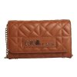 | Carlotta CCHB0101 Women's Crossbody Bag | CCHB0101-2B00 | Women | Brown | bags | 205,00 | 93.181818182 | 4894626283055 | 25 |  |  |  | 25
17 | 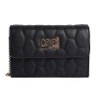 | Bella CCHB01742 Women's Crossbody Bag | CCHB01742-100 | Women | Black | bags | 205,00 | 93.181818182 | 4894626283086 | 27 |  |  |  | 27
18 | 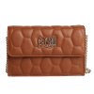 | Bella CCHB01742 Women's Crossbody Bag | CCHB01742-200 | Women | Candy | bags | 205,00 | 93.181818182 | 4894626283093 | 37 |  |  |  | 37
19 | 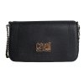 | Luciana CCHB01692 Women's Crossbody Bag | CCHB01692-100 | Women | Black | bags | 190,00 | 86.363636364 | 4894626283130 | 25 |  |  |  | 25
20 | 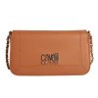 | Luciana CCHB01692 Women's Crossbody Bag | CCHB01692-200 | Women | Candy | bags | 190,00 | 86.363636364 | 4894626283147 | 45 |  |  |  | 45
21 | 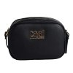 | Cinzia CCHB01702 Women's Crossbody Bag | CCHB01702-100 | Women | Black | bags | 165,00 | 75 | 4894626283192 | 43 |  |  |  | 43
22 | 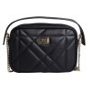 | Simonetta CCHB01522 Women's Crossbody Bag | CCHB01522-100 | Women | Black | bags | 175,00 | 79.545454545 | 4894626283239 | 7 |  |  |  | 7
23 | 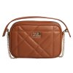 | Simonetta CCHB01522 Women's Crossbody Bag | CCHB01522-200 | Women | Candy | bags | 175,00 | 79.545454545 | 4894626283246 | 7 |  |  |  | 7
24 | 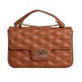 | Amanda CCHB01762 Women's Crossbody Bag | CCHB01762-200 | Women | Candy | bags | 215,00 | 97.727272727 | 4894626283000 | 27 |  |  |  | 27
25 | 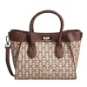 | Daria CCHB01552 Satchel Bag for Women | CCHB01552-400 | Women | Patterned beige | bags | 245,00 | 111.36363636 | 4894626283673 | 13 |  |  |  | 13
26 | 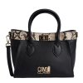 | Daria CCHB01552 Satchel Bag for Women | CCHB01552-600 | Women | Black patterned | bags | 245,00 | 111.36363636 | 4894626286322 | 13 |  |  |  | 13
27 | 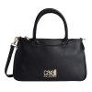 | Moretta CCHB01562 Satchel Bag for Women | CCHB01562-100 | Women | Black | bags | 255,00 | 115.90909091 | 4894626283697 | 11 |  |  |  | 11
28 | 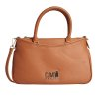 | Moretta CCHB01562 Satchel Bag for Women | CCHB01562-200 | Women | Candy | bags | 255,00 | 115.90909091 | 4894626283703 | 13 |  |  |  | 13
29 | 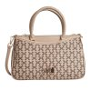 | Moretta CCHB01562 Satchel Bag for Women | CCHB01562-400 | Women | Beige | bags | 255,00 | 115.90909091 | 4894626283727 | 14 |  |  |  | 14
30 | 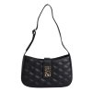 | Giovanna CCHB01332 Women's Shoulder Bag | CCHB01332-100 | Women | Black | bags | 205,00 | 93.181818182 | 4894626283741 | 17 |  |  |  | 17
31 | 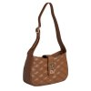 | Giovanna CCHB01332 Women's Shoulder Bag | CCHB01332-200 | Women | Chocolate | bags | 205,00 | 93.181818182 | 4894626283758 | 27 |  |  |  | 27
32 | 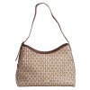 | Valentina Hobo Bag CCHB01672 for Women | CCHB01672-400 | Women | Patterned beige | bags | 215,00 | 97.727272727 | 4894626283833 | 7 |  |  |  | 7
33 | 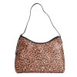 | Valentina Hobo Bag CCHB01672 for Women | CCHB01672-500 | Women | Leopard | bags | 215,00 | 97.727272727 | 4894626283840 | 7 |  |  |  | 7
34 | 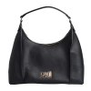 | Patrizia CCHB01602 Women's Hobo Bag | CCHB01602-100 | Women | Black | bags | 225,00 | 102.27272727 | 4894626283857 | 29 |  |  |  | 29
35 | 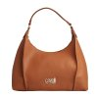 | Patrizia CCHB01602 Women's Hobo Bag | CCHB01602-200 | Women | Brown | bags | 225,00 | 102.27272727 | 4894626283864 | 13 |  |  |  | 13
36 | 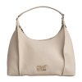 | Patrizia CCHB01602 Women's Hobo Bag | CCHB01602-300 | Women | Beige | bags | 225,00 | 102.27272727 | 4894626283871 | 13 |  |  |  | 13
37 | 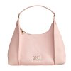 | Patrizia CCHB01602 Women's Hobo Bag | CCHB01602-500 | Women | pink | bags | 225,00 | 102.27272727 | 4894626283895 | 5 |  |  |  | 5
38 | 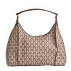 | Patrizia CCHB01602 Women's Hobo Bag | CCHB01602-600 | Women | Beige-patterned | bags | 225,00 | 102.27272727 | 4894626283901 | 7 |  |  |  | 7
39 | 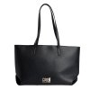 | Antonia CCHB01652 Shopper Bag for Women | CCHB01652-100 | Women | Black | bags | 235,00 | 106.81818182 | 4894626283918 | 9 |  |  |  | 9
40 | 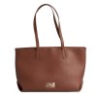 | Antonia CCHB01652 Shopper Bag for Women | CCHB01652-200 | Women | Chocolate | bags | 235,00 | 106.81818182 | 4894626283925 | 23 |  |  |  | 23
41 | 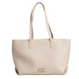 | Antonia CCHB01652 Shopper Bag for Women | CCHB01652-300 | Women | Beige | bags | 235,00 | 106.81818182 | 4894626283932 | 7 |  |  |  | 7
42 | 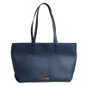 | Antonia CCHB01652 Shopper Bag for Women | CCHB01652-400 | Women | Navy | bags | 235,00 | 106.81818182 | 4894626283949 | 3 |  |  |  | 3
43 | 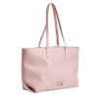 | Antonia CCHB01652 Shopper Bag for Women | CCHB01652-500 | Women | pink | bags | 235,00 | 106.81818182 | 4894626283956 | 5 |  |  |  | 5
44 | 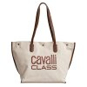 | Azzurra Shopper Bag CCHB01722 for Women | CCHB01722-200 | Women | Beige | bags | 205,00 | 93.181818182 | 4894626283987 | 18 |  |  |  | 18
45 | 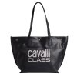 | Azzurra Shopper Bag CCHB01722 for Women | CCHB01722-300 | Women | Black | bags | 205,00 | 93.181818182 | 4894626283994 | 29 |  |  |  | 29
46 | 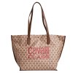 | Azzurra Shopper Bag CCHB01722 for Women | CCHB01722-600 | Women | Brown patterned | bags | 205,00 | 93.181818182 | 4894626286346 | 11 |  |  |  | 11
47 | 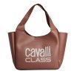 | Arianna CCHB01642 Shopper Bag for Women | CCHB01642-200 | Women | Chocolate | bags | 225,00 | 102.27272727 | 4894626284168 | 19 |  |  |  | 19
48 | 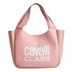 | Arianna CCHB01642 Shopper Bag for Women | CCHB01642-300 | Women | pink | bags | 225,00 | 102.27272727 | 4894626284175 | 9 |  |  |  | 9
49 | 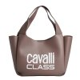 | Arianna CCHB01642 Shopper Bag for Women | CCHB01642-400 | Women | Brown | bags | 225,00 | 102.27272727 | 4894626286377 | 9 |  |  |  | 9
50 | 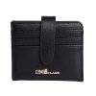 | CCSW01802 Women's Small Bifold Wallet | CCSW01812-100 | Women | Black | Wallets | 79,00 | 35.909090909 | 4894626284281 | 19 |  |  |  | 19
51 | 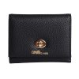 | CCSW01802 Women's Small Bifold Wallet | CCSW01802-100 | Women | Black | Wallets | 79,00 | 35.909090909 | 4894626284328 | 9 |  |  |  | 9
52 | 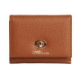 | CCSW01802 Women's Small Bifold Wallet | CCSW01802-200 | Women | Candy | Wallets | 79,00 | 35.909090909 | 4894626284335 | 9 |  |  |  | 9
53 |  | CCSW01842 Women's Medium Bifold Wallet | CCSW01842-100 | Women | Black | Wallets | 89,00 | 40.454545455 | 4894626284366 | 11 |  |  |  | 11
54 |  | Large Bifold Wallet CCSW01832 for Women | CCSW01832-100 | Women | Black | Wallets | 109,00 | 49.545454545 | 4894626284403 | 17 |  |  |  | 17
55 |  | CCBT0016 Reversible Belt for Women | CCBT0016-4 | Women | Light beige | Belts | 69,00 | 31.363636364 |  |  | 9 | 10 | 10 | 29
56 |  | CCBT0016 Reversible Belt for Women | CCBT0016-2 | Women | Brown | Belts | 69,00 | 31.363636364 |  |  | 9 | 10 | 10 | 29
57 |  | CCBT0016 Reversible Belt for Women | CCBT0016-1 | Women | Black | Belts | 69,00 | 31.363636364 |  |  | 9 | 10 | 10 | 29
58 |  | CCBT0017 Women's Buckle Belt | CCBT0017-1 | Women | Black | Belts | 79,00 | 35.909090909 |  |  | 9 | 10 | 10 | 29
59 |  | CCBT0014 Reversible Thin Belt for Women | CCBT0014-1 | Women | Black-brown | Belts | 69,00 | 31.363636364 |  |  | 9 | 10 | 10 | 29
60 |  | CCHB500022 men's toiletry bag | CCHB500022-200 | Man | Dark brown | toiletry bag | 139,00 | 63.181818182 | 4894626213359 | 10 |  |  |  | 10

